HOME
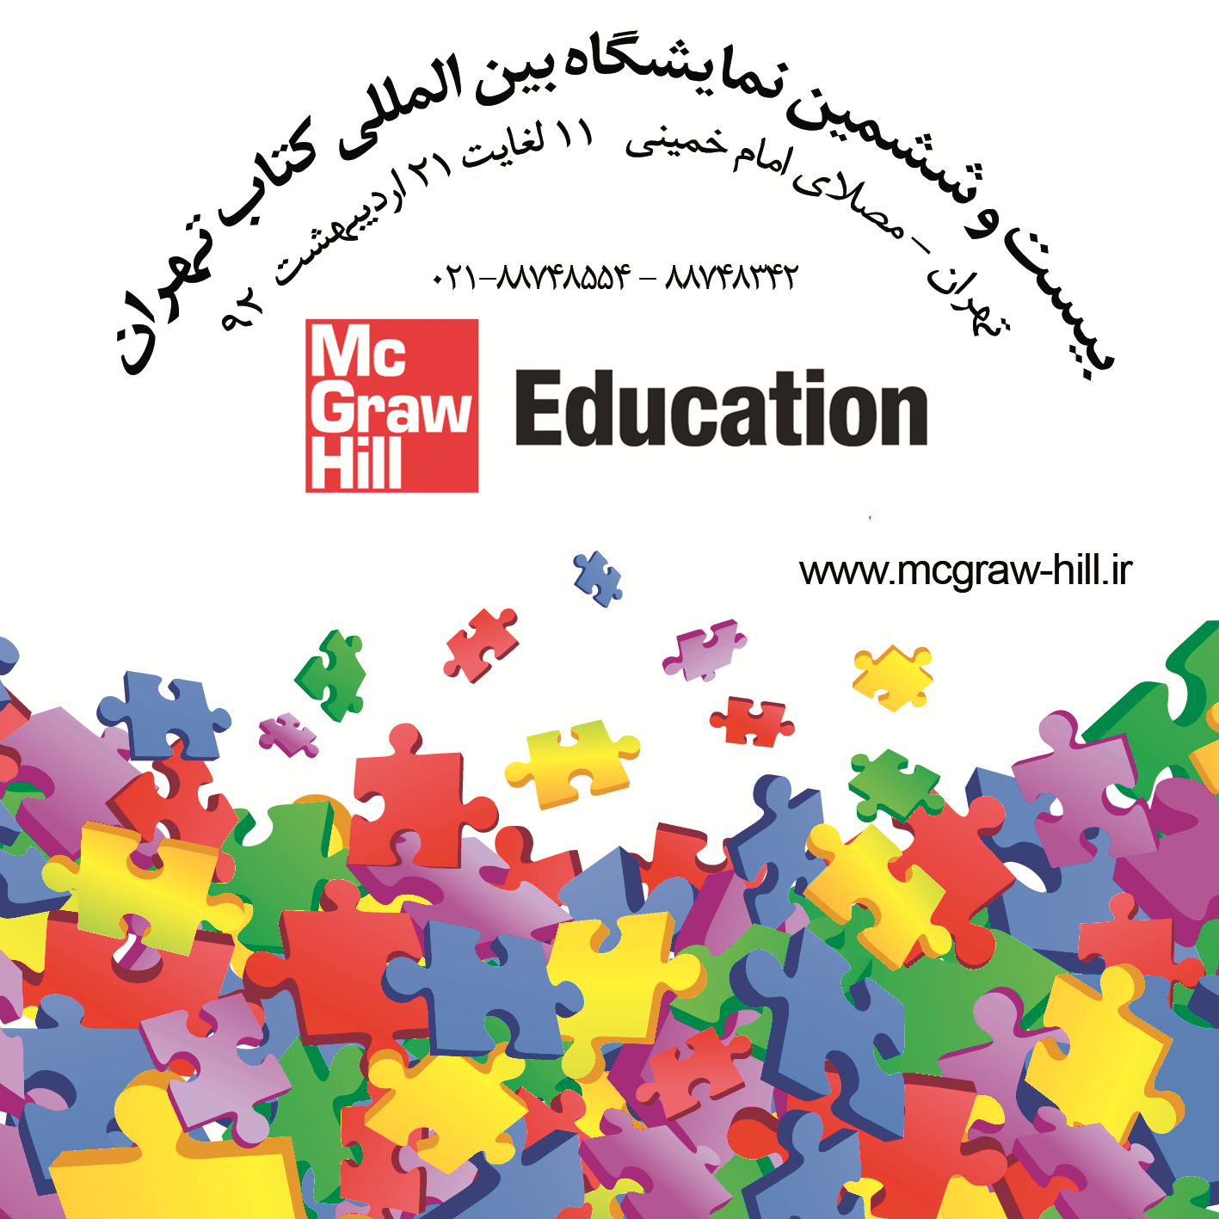
به نام ایزد یکتا
با سلام
احتراما ليست کتابهاي انتشارات (مک گروهيل و آی . بی . تاریس)که دربیست و ششمین نمايشگاه بين المللي کتاب تهران به معرض نمايش
گذاشته خواهد شد تقديم ميگردد.
کليه کتب با تخفيف 30% الی 50% به فروش ميرسد.
محل برگزاري نمايشگاه : تهران ،مصلی امام خمینی
زمان : 11 اردیبهشت لغایت 21 اردیبهشت ماه 1392
در صورت نياز به اطلاعات بيشتر ميتوانيد با شماره تلفن هاي 88748554 و 88748342 و 88768267 تماس حاصل فرماييد.
در طول نمايشگاه مسئولين غرفه هاي مک گروهيل پاسخگوي شما خواهند بود.
برای دسترسی به کلیه کتابها ی مک گروهیل در نمایشگاه به آدرس www.mcgraw-hill.ir مراجعه فرمائید.
براي دسترسي به کليه ناشران شرکت کننده در نمايشگاه به آدرس سايت www.anjomannasheran.com مراجعه فرماييد.
.به دلیل نوسانات نرخ ارز تمامی قیمت ها به دلارذکر شده که پس ازاعلام نرخ دلار معادل ریالی محاسبه میگردد
کتب تک نسخه ای با تخفیف ویژه به فروش خواهد رسید.
با آرزوي ديدن شما دربیست و ششمین نمايشگاه بين المللي کتاب تهران
نمایندگی مک گروهیل در ایران
order@mcgraw-hill.ir
behruzn@neda.net.ir
جهت جستجو، کاتالوگ مرتبط با موضوع مورد نظر خود را انتخاب کنید. لطفا به دسته بندی های صورت گرفته توجه فرمایید:
فهرست کلیه عناوین پزشکی
فهرست کلیه عناوین مهندسی
فهرست کلیه عناوین اقتصاد،مدیریت،حسابداری
فهرست کلیه عناوین علوم انسانی
فهرست کلیه عناوین علوم پایه
فهرست کلیه عناوین زبان و علوم تربیتی
فهرست کلیه عناوین تک نسخه ای
فهرست کلیه عناوین آی بی تاریس

